Cover
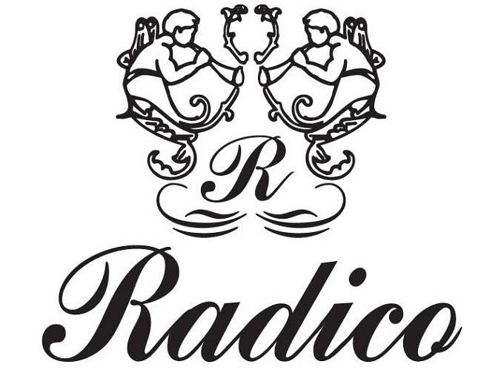
Radico Khaitan Company Analysis

About
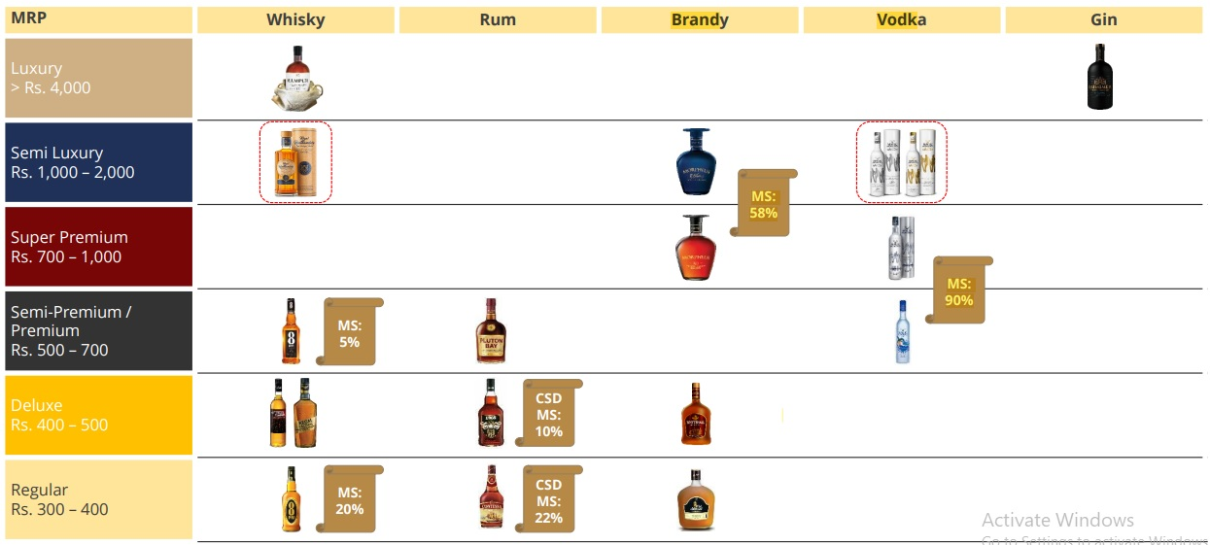
Radico Khaitan Ltd

Sector of Radico Khaitan | Alcoholic Beverages
Industry of Radico Khaitan | Breweries & Distilleries
About Radico Khaitan Ltd:
Radico Khaitan is one of the most recognised IMFL (Indian Made Foreign Liquor) brands in India. It focusses on distillation and bottling for branded players and canteen stores of armed forces. Radico Khaitan ventured into its own branded IMFL products and launched its first brand 8PM whisky which became its millionarie brand within a year of its launch.

Strong portfolio of Branded products - Radico Khaitan is one of the largest and oldest manufacturer of IMFL(Indian Made Foreign Liquor). Company has wide range of branded portfolio across IMFL categories of Whisky, Brandy, Rum and White spirits. Currently it has four milloniare brands which are 8 PM Whisky, Contessa Rum, Old Admiral Brandy and Magic Moments Vodka.
Corporate Governance - Khaitan Family, the Promoters and Management of Radico Khaitan have been in the liquor industry since 1943 i.e.. for more than 7 decades.
Market leader- Magic Moments leads the vodka Industry in India with over 58% market share whereas Morphues Brandy leads the premium brandy category with over 56% market share. During last decade, Company has launched 12 new brands of which 11 are in premium category. Radico Khaitan is one of the major supplier of branded IMFL to Canteen stores department(CSD) in Defence segment. The company's brands are well recognised and has built a brand equity for itself in international markets. Contessa Rum is the highest selling brand in defence segment making Radico a leader in the market.
Khaitan Family HUF: RKL, promoted and managed by the Khaitan family, has been in the business of liquor manufacturing since 1943 (by the name of Rampur Distillery). In 1998, RKL entered the branded liquor segment with the launch of ‘8PM Whisky’. Since then, the company has launched various successful brands, and at present, RKL is one of the leading players in the Indian liquor industry.

Corporate Governance
Corporate Governance

Khaitan's HUF | Shares Held | % (Voting Rights)
Lalit Kumar Khaitan HUF | 41850 | 0.03%
Deepshikha Khaitan | 50000 | 0.04%
Lalit Kumar Khaitan | 234295 | 0.18%
Abhishek Khaitan | 86065 | 0.06%
 | 412210 | 0.31%

Other | Shares Held | % (Voting Rights)
Classic Fintrex Pvt Ltd | 2576100 | 1.93%
Elkay Fiscal Services Pvt Ltd | 66000 | 0.05%
Rampur International Ltd | 5254085 | 3.93%
Abhishek Fiscal Services Pvt Ltd | 99050 | 0.07%
Sapphire Intrex Ltd | 45379098 | 33.95% | **
Smita Fiscal Pvt Ltd | 43275 | 0.03%
 | 53417608 | 39.96%

** Dr. Lalit Kumar Khaitan holds directly 0.18% in Radico Khaitan and 33.95% indirectly through Sapphire Intrex Limited. Mr. Abhishek Khaitan holds directly 0.06% in Radico Khaitan and 33.95% indirectly through Sapphire Intrex Limited.
Although, Khaitan Family doesn't have more than 50% of the voting rights. The Family has 1/3rd stake in the company making them the only "significant shareholder". Bottom Line is, it's a family-run business and probability of change is difficult.

Narrative
Radico Khaitan Narrative

Radico Khaitan Products : RKL’s portfolio, at present, includes five millionaire brands, namely, ‘8PM Whisky’, ‘Contessa Rum’, ‘Old Admiral Brandy’, ‘Magic Moments Vodka’ and ‘8 PM Premium Black Whiskey’. This apart, it distributes other successful brands like ‘Whytehall’ whisky and the ‘Brihans’ range of brands acquired inorganically. RKL has continuously launched several brands over the past decade. In FY22, it launched Magic Moments Dazzle Vodka and Royal Ranthambore Blended Malt Scotch. However, the revenue of the company appears to be concentrated within Uttar Pradesh, accounting for around 27% of IMFL sales in FY22. The company has 28 bottling units spanning across the entire country, of which five are owned and 23 are contract-bottling units. RKL’s products are sold through over 75,000 retail and 8,000 on-premises outlets. 8PM name was unique as Indians usually drink at 8. Did 1 million case 1 year and came in limca book of records.
Family Nature/Habits/Personality: The Son and Daughter of Mr Kaithan (during college time) are just same as the average Indian family they peep in to the price in the menu then they look for the associated items when they went out in Caunaught place. The family lives in Friends Market, New Delhi. They took the path for secure customers so initially they target selling through the Defence canteens and now they have large base in the canteen revenue. In the time of PONTY CHADDA Lala ji has set their share and Ponty was selling his brand as a contractor. There was time when one can find everywhere 8PM in UP created a Brand. The son (Abhishek Khaitan) is more in taking risk and which results the new premier products. Lala ji is very happy and least bother about the expansion. They want to preserve the quality.
Strong position in the defence segment: RKL is one of the largest players in the defence market, where its most famous brand is ‘Contessa’ rum. Two more brands – ‘After Dark Whisky’ and ‘Morpheus Brandy’ – have been approved to supply to the canteen store department (CSD). The company derives around 10%-11% of IMFL sales income from the CSD. There are stringent conditions for entering into the CSD segment, leading to entry barriers for new players
Problems in the Industry (Highly regulated industry): The liquor industry is highly regulated in India, with each state controlling the production, sales, and duty structure, independently. As a result, there are difficulties in the transfer of production from one state to another along with the huge burden of duties and taxes. The states control the licenses for production, distributorship, and retailing as well. Furthermore, there is also the risk of the introduction of prohibition laws in states, with negative connotations associated with the liquor industry in India.
Corporate Governance: Although, Khaitan Family HUF doesn't have more than 50% of the voting rights. The Family has 1/3rd stake in the company making them the only "significant shareholder". Dr. Lalit Kumar Khaitan holds directly 0.18% in Radico Khaitan and 33.95% indirectly through Sapphire Intrex Limited. Mr. Abhishek Khaitan holds directly 0.06% in Radico Khaitan and 33.95% indirectly through Sapphire Intrex Limited. Bottom Line is, it's a family-run business and probability of change is difficult.
Cyclicality in raw material prices: ENA forms a major component of the raw materials required for the company’s product portfolio, and hence, commodity price volatility remains one of the key considerations. ENA is produced from the molasses, a byproduct, in the sugar manufacturing process, or from grains. Lower-than-anticipated sugarcane production or any sharp rise in the prices of molasses or ENA will have an impact on the company’s profitability. The prices of ENA and molasses are likely to increase, with the government encouraging its alternative use in the EBP, offering attractive returns. However, RKL produces more of its alcohol through the grain-based route and has adequate capacity to shift to more grain-based distillation, which insulates it against any significant increase in the prices of molasses. The company also has the advantage of backward-integrated distillation capacities, which insulates the company to a certain extent from any significant movement in the ENA prices. The margins are susceptible to volatility in the prices of molasses and grains. However, the company maintains a sizeable inventory of molasses, which insulates it against short- and medium-term fluctuations in the prices of molasses.
Potential in the Industry: The key demand drivers of the industry have been growing disposable incomes, increasing rural consumption, rapid urbanisation, greater acceptance of social drinking, and a higher proportion of the young population entering the drinking age, which has a cumulative favourable effect on liquor manufacturers. India has a young demographic profile, with a median age of 28 years, and around 67% of the population is within the legal drinking age. These two indicators represent significant growth opportunities for the industry. Liquor policies governing its production and sale are entirely controlled by the respective state governments. With all the alcohol-consuming states/Union Territories having their own regulations and entry-exit restrictions, it is difficult for new entrants to procure licenses, thus providing a competitive advantage to the existing players.
Competitive Advantages (Premiumization & Market Share): Radico has aggressively spent behind its brands to drive premiumisation and gain market share. Radico aims to leverage brand equity of Magic Moments by launching more variants (GM accretive) and gaining share in super-premium segment. With internet culture and middle class emerging, drinking is not a taboo. With income level rising, premiumization is happening and it would beneift Radico. It's not a strong and sustainable competitive advantage in my opinion, as it's easier for Alcoholic Beverages to yield higher margins. With good market leadership, Radico has attained good price leadership too.
"I love Morpheus brandy. After drinking it a few months back, I have never had any other alcohol. I have introduced it to a few of my friends recently and they all have shifted their preference towards Morpheus. The brandy is a bit expensive though as compared to other local alcohol but its really one of the best among Indian liquors." ~ An occasional drinker review
Pricing & Market Share: Radico Khaitan Products starts at "Regular" range of Rs.300 to Rs.400, "Deluxe" range of Rs.400 to Rs.500, "Semi Premium" range of Rs.500 to Rs.700, "Super Premium" range of Rs.700 to Rs.1,000, "Semi Luxury" range of Rs.1,000 to Rs.2,000 and "Luxury" range of over Rs.4000. Radico has attained price and market share leadership in Magic Moments - Vodka (Market Share: 90%) and Verve - Vodka (Market Share: 20%). Market leadership with Contessa (Rum) and 1965 Victory along with price premium. Market leadership in Brandy with Morpheus Brandy at 58%.
Revenues to Profits: The major slice of revenues is churned out by Excise Duty (76.2% of revenues in FY22) and Cost of goods sold (13.2% of revenues in FY22), which is controlled by ENA and molasses prices. ENA prices are projected to increase at a CAGR of 4.32% during 2022-2027.
Competition: Competition comes from United Spirits Ltd, United Breweries Ltd and Global Spirits Ltd. They also follow similar competitive strategies of "Premiumization and Market Share" to build a strong customer brand loyalty and offers better-quality products across price points with a value for money proposition.
How Much Capital Intensive?: Radico Khaitan makes Rs. 1.43 for every Rs. 1 of Invested Capital in FY22. However, the 75th percentile of gross industry makes Rs. 1.51 for every Rs. 1 of Invested Capital in FY22. I projected Radico Khaitan to reinvest roughly Rs.248.90 crores on average for the next 10 years to achieve a Sales CAGR of 8.36% in next 10 years. Radico has a reinvestment rate of 97.79% in FY22 which is mostly due to their huge working capital needs.

Risk Free Rate
Risk Free Rate - India

 |  | Credit Rating | Avg Default Spread (%)
Risk Free Rate | 5.28% | Aaa | 0.00%
 |  | Aa1 | 0.34%
India 10-Year Government Bond Yield | 7.1% | Aa2 | 0.42%
India Credit Rating (Fitch - 06/10/2022) | Baa3 | Aa3 | 0.51%
India's Default Spread | 1.87% | A1 | 0.60%
 |  | A2 | 0.72%
(Risk Free Rate = 10 Year Gov Bond - Default Spread) |  | A3 | 1.02%
 |  | Baa1 | 1.36%
Countries credit rating same as India |  | Baa2 | 1.62%
Cyprus |  | Baa3 | 1.87%
Mexico |  | Ba1 | 2.13%
Panama |  | Ba2 | 2.56%
Romania |  | Ba3 | 3.06%
Uruguay |  | B1 | 3.83%
Croatia |  | B2 | 4.68%
Kazakhstan |  | B3 | 5.53%
Montserrat |  | Caa1 | 6.38%
Trinidad and Tobago |  | Caa2 | 7.66%
 |  | Caa3 | 8.51%
 |  | Ca | 10.21%
 |  | C | 17.50%

Risk Free Rate:
5.43%
India ERP:
3.96%
Beta:
0.88
US Risk Free:
2.83%
India's Risk:
3.01%
Nykaa's Risk:
7.78%

Cost of Equity:
8.93%
Cost of Debt:
13.62%
WACC:
8.94%

Radico Khaitan ERP
Radico Khaitan ERP

Revenue by Geographical Market | (in lakhs) | %
Domestic - India | ₹ 268,789.81 | 93.72%
Overseas - 85 countries | ₹ 18,011.57 | 6.28%
Total Revenues | ₹ 286,801.38 | 100.00%
Note: India constitutes 93.72% of Radico's Revenues. So, I'm gonna ignore overseas revenues (Middle East, North and South America, Africa, Asia and Europe)

 | ERP
India Equity Risk Premium | 0.96%
India Country Risk Premium | 3.01%
 | 3.97%

Cost of Equity & Debt
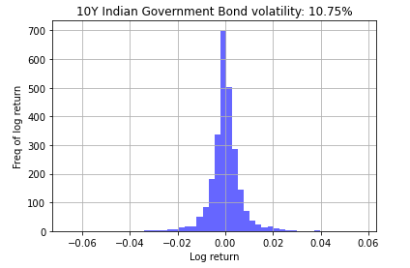
Cost of Equity & Debt
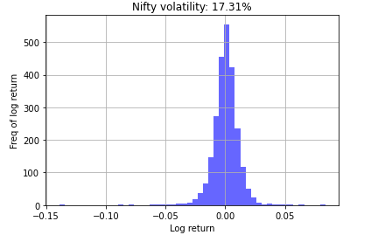
Cost of Equity

Risk Free Rate - Rf | 5.28%
Equity Risk Premium | 3.97%
Beta (Radico Khaitan) | 0.47

Cost of Equity | 7.14%

(Cost of Equity = Risk Free Rate + Beta * Equity Risk Premium)

Pre-Tax Cost of Debt

US Risk Free Rate - Rf | 3.44%
Lambda (λ) | 1.61
India's Default Spread | 1.87%
Radico's CARE Rating | AA-
Radico Risk Premium | 1.00%

Cost of Debt | 7.45%

(Cost of Debt = Rf + λ* India's Default Spread + Co. Risk Premium)

Source:
10 Year Bond Yield Historical Data (Investing.com)
CARE Ratings
Standard Deviation with Python

WACC
WACC

During the year 2017-18, Government of Maharashtra had enhanced transport fees from Rs.1 per MT to Rs.500 per MT and Import fees from Rs.50 Per Permit to Rs.5000 per permit on transport of molasses. The industry has obtained stay on enhancing this fees from Honourable High Court Bombay. In the meantime, the Joint Venture has deposited an amount of Rs.108.70 Lakhs under protest. Based on legal advise obtained by the Joint Venture, the management is of the view that this liabilities will not arise on the group, hence shown as recoverable.
Cost of Capital |  | Book Value of Debt | (in lakhs)

Cost of Equity | 7.14% | Long Term Borrowings | ₹ 502.19
Market Value of Equity | ₹ 1,468,779.7 | Short Term Borrowings | ₹ 18,488.23
 |  | Long Term Financial Lease | ₹ 745.07
Cost of Debt | 7.45% | Short Term Financial Lease | ₹ 421.70
Market Value of Debt | ₹ 20,161.9 | Operating Lease* | ₹ 1,113.15
 |  | Book Value of Debt | ₹ 21,270.34
Marginal Corporate Tax Rate (%) | 25.17% | Total Equity | ₹ 202,685.68

WACC | 7.12% | Debt to Equity (Radico Khaitan) | 0.10

 |  | Market Value of Debt | (in lakhs)

 |  | Book Value of Debt | ₹ 21,270.34
 |  | Interest Expense | ₹ 1,310.25
 |  | Cost of Debt | 7.45%
 |  | Average Maturity of Debt (Yrs) | 5

 |  | Est. Market Value of Debt | ₹ 20,161.93

 |  | Market Value of Equity | (in lakhs)

 |  | Stock Price (as on 09/14/2022) | ₹ 1,099.00
 |  | Number of Shares Outstanding | 1336.5
 |  | Market Capitalization | ₹ 1,468,779.7

Numbers
 | Numbers
Cyclicity of Raw Material Prices (ENA):
ENA forms a major component of the raw materials required for the company’s product portfolio, and hence, commodity price volatility remains one of the key considerations. ENA is produced from the molasses, a byproduct, in the sugar manufacturing process, or from grains. Lower-than-anticipated sugarcane production or any sharp rise in the prices of molasses or ENA will have an impact on the company’s profitability.
The prices of ENA and molasses are likely to increase, with the government encouraging its alternative use in the EBP, offering attractive returns. However, RKL produces more of its alcohol through the grain-based route and has adequate capacity to shift to more grain-based distillation, which insulates it against any significant increase in the prices of molasses.
The company also has the advantage of backward-integrated distillation capacities, which insulates the company to a certain extent from any significant movement in the ENA prices. The margins are susceptible to volatility in the prices of molasses and grains. However, the company maintains a sizeable inventory of molasses, which insulates it against short and medium-term fluctuations in the prices of molasses.
 |  | (in lakhs)
 | Gross Revenues (TTM) | ₹ 1,279,211.13
- | Excise Duty | ₹ -974,723.30
 | Net Revenues (TTM) | ₹ 304,487.83
- | COGS | ₹ -168,878.71
- | Operating Expenses | ₹ -95,338.96
- | D&A | ₹ -6,623.47
 | EBIT | ₹ 33,646.69

Industry Prospects:
Industry prospects: ENA mainly finds application in potable alcohol manufacturing. However, absolute ethanol can also be used as ethanol to blend in fuel. Moreover, India’s alcohol industry is the third-largest in the world, with an estimated retail market size of US$ 35 billion. Furthermore, India produces 2.7 billion litre of ENA, of which 90% of the produce is utilised for manufacturing potable alcohol.
The key demand drivers of the industry have been growing disposable incomes, increasing rural consumption, rapid urbanisation, greater acceptance of social drinking, and a higher proportion of the young population entering the drinking age, which has a cumulative favourable effect on liquor manufacturers. India has a young demographic profile, with a median age of 28 years, and around 67% of the population is within the legal drinking age. These two indicators represent significant growth opportunities for the industry.

Value of Cross Holdings
Value of Cross Holdings

Do Nothing! It's already 100% part of the company.
Cross Holdings | Holding Type | % Owner | How to Deal? | Revenues TTM | EV to Sales (Ind. Avg) | Value of JV/Assoc.
Radico Spiritz India Private Limited | Fully Owned | 100%
Accomreal Builders Private Limited | Fully Owned | 100%
Compaqt Era Builders Private Limited | Fully Owned | 100%
Destihomz Buildwell Private Limited | Fully Owned | 100%
Equibuild Realtors Private Limited | Fully Owned | 100%
Proprent Era Estates Private Limited | Fully Owned | 100%
Binayah Builders Private Limited | Fully Owned | 100%
Value Company and Substract Non Owner.
Firstcode Reality Private Limited | Fully Owned | 100%

Radico NV Distilleries Maharashtra Ltd | Minority Active | 36% |  | ₹ 35,374.6 | 1.56 | ₹ 29,958.62

 |  |  |  |  | Value of Cross Holdings | ₹ 29,958.62

